Sheet1
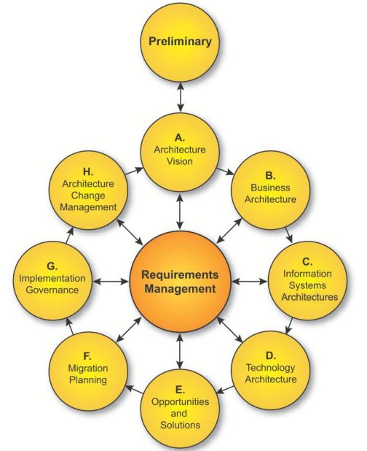
Architecture Framework | An architecture framework is a foundational structure, or set of structures, that can be used for developing a broad range of different architectures. It should describe a method for designing a target state of the enterprise in terms of a set of building blocks, and for showing how the building blocks fit together. It should contain a set of tools and provide a common vocabulary. It should also include a list of recommended standards and compliant products that can be used to implement the building blocks
Architecture Domains | Business Architecture Data Architecture Application Architecture Technology Architecture
 | The ADM includes establishing an architecture framework, developing architecture content, transitioning, and governing the realization of architectures.
The Preliminary Phase | The Preliminary Phase describes the preparation and initiation activities required to create an Architecture Capability, including the customization of the TOGAF framework, and the definition of Architecture Principles.
Phase A | Architecture Vision describes the initial phase of an Architecture Development Cycle. It includes information about defining the scope, identifying the stakeholders, creating the Architecture Vision, and obtaining approvals.
Phase B | Business Architecture describes the development of a Business Architecture to support an agreed Architecture Vision.
Phase C | Information Systems Architectures describes the development of Information Systems Architectures for an architecture project, including the development of Data and Application Architectures.
Phase D | Technology Architecture describes the development of the Technology Architecture for an architecture project.
Phase E | Opportunities and Solutions describes the process of identifying major implementation projects and grouping them into work packages that deliver the Target Architecture defined in the previous phases.
Phase F | Migration Planning describes the development of a detailed Implementation and Migration Plan that addresses how to move from the Baseline to the Target Architecture.
Phase G | Implementation Governance provides an architectural oversight of the implementation.
Phase H | Architecture Change Management establishes procedures for managing change to the new architecture.
Requirements Management | Requirements Management examines the process of managing architecture requirements throughout the ADM.
 | deliverable is a work product that is contractually specified and in turn formally reviewed, agreed, and signed off by the stakeholders
 | An artifact is an architectural work product that describes an aspect of the architecture Artifacts are generally classified as catalogs (lists of things), matrices (showing relationships between things), and diagrams (pictures of things). Examples include a requirements catalog, business interaction matrix, and a use-case diagram. An architectural deliverable may contain many artifacts and artifacts will form the content of the Architecture Repository.
 | A building block represents a (potentially re-usable) component of business, IT, or architectural capability that can be combined with other building blocks to deliver architectures and solutions
 | The Enterprise Continuum is a view of the Architecture Repository that provides methods for classifying architecture and solution artifacts as they evolve from generic Foundation Architectures to Organization-Specific Architectures. The Enterprise Continuum comprises two complementary concepts: the Architecture Continuum and the Solutions Continuum.
The Architecture Repository | The Architecture Repository can be used to store different classes of architectural output at different levels of abstraction, created by the ADM
Architecture Repository contains | Architecture Metamodel | The Architecture Metamodel describes the organizationally tailored application of an architecture framework, including a metamodel for architecture content
 | Architecture Capability | The Architecture Capability defines the parameters, structures, and processes that support governance of the Architecture Repository
 | Architecture Landscape | The Architecture Landscape shows an architectural view of the building blocks that are in use within the organization today (e.g., a list of the live applications); the landscape is likely to exist at multiple levels of abstraction to suit different architecture objectives
 | Standards Information Base (SIB) | The Standards Information Base (SIB)9 captures the standards with which new architectures must comply, which may include industry standards, selected products and services from suppliers, or shared services already deployed within the organization
 | Reference Library | The Reference Library provides guidelines, templates, patterns, and other forms of reference material that can be leveraged in order to accelerate the creation of new architectures for the enterprise
 | Governance Log | The Governance Log provides a record of governance activity across the enterprise
 | Architecture Requirements Repository | The Architecture Requirements Repository provides a view of all authorized architecture requirements which have been agreed with the Architecture Board
 | Solutions Landscape | The Solutions Landscape presents an architectural representation of the SBBs supporting the Architecture Landscape which have been planned or deployed by the enterprise
Architecture Capability Framework | Establishing an Architecture Capability Architecture Board Architecture Compliance Architecture Contracts Architecture Governance Architecture Maturity Models Architecture Skills Framework

Sheet2
